1.3.36 vs 1.3.37
Priority | 1.3.36 Version | 1.3.37 Version
High | 1 | 1
Medium | 3 | 3
Low | 13 | 15

Bug Delta 1.3.34 VS 1.3.35

Push Notification
Product / Feature | Use Case | Notifications Contents | Landing Page | Pass/Fail
Refrigerator | Fridge/Freezer Door Open | Title Fridge/Freezer Door Open Body Your fridge/freezer door is open. Please ensure to close the door firmly and protect your food from spoiling. | Refrigerator Details Page | Pass
Refrigerator | Power Outage | Title Power Outage Body Your refrigerator power supply was interrupted. Check the quality of Refrigerator content before consuming. | Refrigerator Details Page | Pass
Airconditioner , Smart Profile | Rule Notification for AC and Smart Profile | Title Rule activation successful Body Rule '<ruleName>' activated successfully. Tap to see the rule. | Sleep Profile page | Pass
Washing Machine -FLWM | Washing Completed | Title Washing Completed Body Washing completed. Please do not keep washed out clothes for long in the washing machine. | Wash Progress Page | Pass
Washing Machine -FLWM | Washing Paused/Stopped | Title Washing Completed Body <Device Name>: Current wash cycle is paused/Stopped | Wash Progress Page | Pass
Washing Machine -TLWM | Washing Completed | Title Washing Completed Body Washing completed. Please do not keep washed out clothes for long in the washing machine. | Wash Progress Page | Pass
Washing Machine -TLWM | Washing Paused/Stopped | Title Washing Paused/Stopped Body <Device Name>: Current wash cycle is paused/Stopped | Wash Progress Page | Pass
Washing Machine -TLWM | Washing Paused -Auto Pause [After Soak] | Title Washing Paused Body <Device Name>: paused After Soak | Wash Progress Page | Pass
Washing Machine -TLWM | Washing Paused -Auto Pause [After Wash] | Title Washing Paused Body <Device Name>: paused After Wash | Wash Progress Page | Pass
Washing Machine -TLWM | Washing Paused -Auto Pause [After Rinse 1] | Title Washing Paused Body <Device Name>: paused After Rinse 1 | Wash Progress Page | Pass
Washing Machine -TLWM | Washing Paused -Auto Pause [Before last Rinse] | Title Washing Paused Body <Device Name>: paused Before Last Rinse | Wash Progress Page | Pass
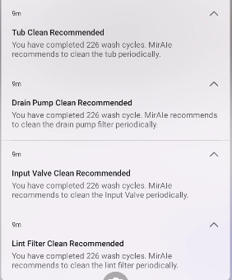
Washing Machine -TLWM | Drain Pump Clean Recommended | Title Drain Pump Clean Recommended Body You have completed … wash cycle. MirAIe recommends to clean the drain pump filter periodically. | Landing Page [Home Screen] | NT
Washing Machine -TLWM | Tub Clean Recommended | Title Tub Clean Recommended Body You have completed… wash cycle . MirAIe recommends to clean the Tub periodically. | Landing Page[Setting>Clean Tub] | NT
Washing Machine -TLWM | Input Valve Clean Recommended | Title Input Valve Clean Recommended Body You have completed.. Wash cycle. MirAie recommended to clean the Input Valve periodically. | Landing Page[Setting>Clean Input Valve] | NT
Washing Machine -TLWM | Lint filter Clean Recommended | Title Lint filter Clean Recommended Body You have completed.. Wash cycle. MirAie recommended to clean the lint filter periodically. | Landing Page[Setting>Clean Lint Fitler] | NT
VDP | Bell Ring | Title Button Pressed Body Some rang the front door bell .Tap to know who | VDP Details Page | NT
VDP | Motion Detection | Title Pir Triggered Body A motion is detected by your door bell | VDP Details Page | NT
VDP | Battery Low | Title Battery Low Body Your door bell is discharging fast. Please plug it to a power source to avoid disconnection . | VDP Details Page | NT
VDP | Temper Alert | Title Temper Alert! Body Your door bell is being removed, if its not you then someone is trying to temper . | VDP Details Page | NT
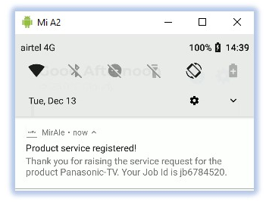 E-Warranty | Raise a Service Request | Title Product service registered! Body Thank you for raising the service request for the product Panasonic TV . Your Job id is jd6784520 | Home/Dashboard | Fail | 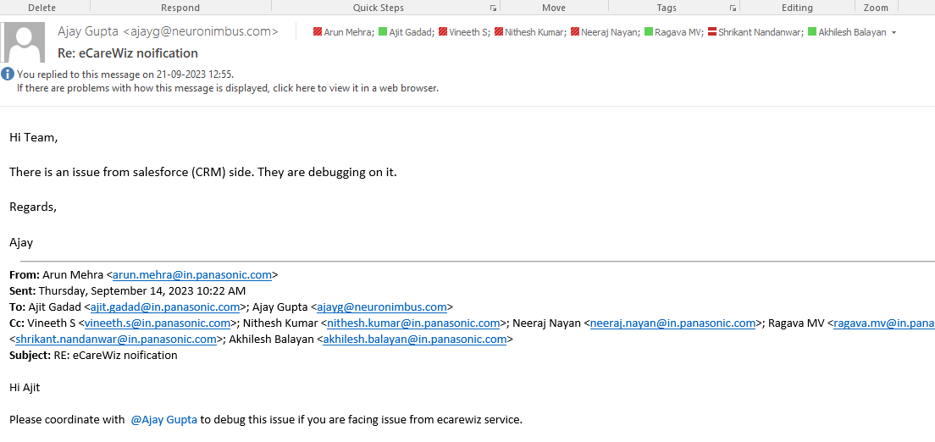
E-Warranty | Warranty Expiry | Title Warranty expiring soon... Body Warranty on your Product Model:Panasonic CU-YN18WKYM with Serial No : SN777XXXXXXXXXXX is expiring 31/12/2022 . Extend your warranty to enjoy the hassle free experience. | Home/Dashboard | NA
E-Warranty | Product Registration | Title Product registered! Body Your Product Model CU-YN18WKYM with Serial No : SNXXXXXXXXXX is registered with us. | Home/Dashboard | Pass
E-Warranty | Product Birthday reminder | Title Best wishes! Body Happy birthday to your Product Model> Panasonic CU-YN18WKYM with Serial No: SNXXXXXXXXXX. | Home/Dashboard | NA

